
 |  |  |  | CODE: |  |  | pl1272 ac SN from 98J993
DESCRIPTION: |  | FRAME |  | RAHMEN | CADRE | CHASÍS | TELAIO
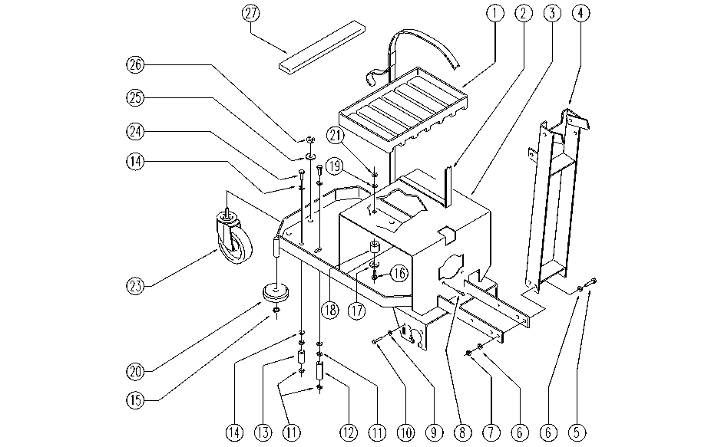

REF. | CODE | DESCRIPTION | QT
1 | SL17287 | PLATE | 2
2 | E86663 | Battery Strap for AS28 | 2
3 | SL09774 | FRAME | 1
4 | SL09933 | STEERING COLUMN | 1
5 | E89194 | Screw | 4
6 | E86726 | Washer | 8
7 | E86853 | Nyloc Hex Nut, M8 Zinc | 4
8 | SL04222 | SCREW | 2
9 | E88229 | Washer | 1
10 | SL04148 | SCREW | 1
11 | E86462 | AS20 Nut | 4
12 | SL07238 | SPACER | 1
13 | SL07237 | SPACER | 1
14 | E88091 | Washer Watchman 24 | 4
15 | E89408 | Stop Ring | 3
16 | SL04144 | SCREW | 1
17 | E86758 | Washer | 1
18 | SL03103 | PLUG / STOPPER | 1
19 | E86427 | Washer for AS20 | 1
20 | E86451 | AS20 Wheel | 2
21 | E86875 | Self-Locking Nut | 1
23 | E86624 | Pivoting Wheel | 1
24 | SL04236 | SCREW | 2
25 | SL06089 | WASHER | 1
26 | E86853 | Nyloc Hex Nut, M8 Zinc | 1
27 | SL17399 | BLOCK / LOCK | 2

